Front Page
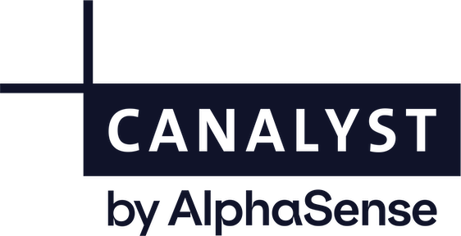

 |  |  | Please contact this email for any model-specific questions:
 |  |  | modelsupport@alpha-sense.com | mailto:support@canalyst.com?subject=Canalyst%20Support:%20NVIDIA%20Corporation%20NVDA%20US&body=Model%20Version:%20Q1-2020.20 | mailto:support@canalyst.com?subject=Canalyst%20Support:%20NVIDIA%20Corporation%20NVDA%20US&body=Model%20Version:%20Q1-2020.20

Company Model: |  | NVIDIA Corporation

Updated: |  | 11/19/2025
 |  |  | Comments on Model:
For: |  | Quarterly (Earnings Report) | On August 26, 2024, the Board of Directors approved an additional $50.0 billion in share repurchase authorization, without expiration. 'On, May 21, 2021, The company announced a 4-for-1 stock split. The model was adjusted for the split on July 20, 2021' 'Starting with the first quarter of fiscal 2021, the company's reportable segments have changed to “Graphics” and “Compute & Networking.” During the third quarter, NVIDIA announced a definitive agreement to acquire Arm Limited from SoftBank Capital Limited and SVF Holdco (UK) Limited in a transaction valued at $40 billion. The transaction -- which is expected to be immediately accretive to NVIDIA’s non-GAAP gross margin and non-GAAP earnings per share -- is expected to close in the first quarter of calendar 2022.

Consensus Data and Real-Time Stock Price: |  | Bloomberg
 |  | 1

Real-Time Stock Price: |  | OFF

Stock Price Override: | 2025-11-18 | $181.36

DISCLAIMER Access to and use of this model, including the data contained herein (this "Model") is subject to Tegus, Inc.'s (a successor entity to Canalyst Financial Modeling Corporation) ("Company") Terms of Use that you accepted prior to accessing this Model, the applicable Service Agreement between the Company and you (or a corporate entity that has authorized you to access and use this Model on its behalf in accordance with the terms of such Service Agreement) or other similar agreement between you and the Company. BY CONTINUING TO ACCESS OR USE THIS MODEL, YOU EXPRESSLY AGREE TO THE TERMS AND CONDITIONS OF SUCH AGREEMENTS. The Company and certain of its licensors have exclusive proprietary rights in this Model. This Model is being provided for internal use only. Unless prior written consent by the Company and its licensors has been provided to you, you may not distribute or otherwise furnish this Model to any third party, nor use or permit anyone to use this Model for any unlawful or unauthorized purpose. IF YOU HAVE UNLAWFULLY OBTAINED, OR ARE NOT AUTHORIZED TO USE THIS MODEL, YOU ARE OBLIGATED TO PROMPTLY: (I) RETURN THIS MODEL (AND ANY DERIVATIVE WORKS ARISING FROM OR RELATING THERETO) TO THE AUTHORIZED USER OF THIS MODEL; (II) PROVIDE NOTICE TO THE COMPANY AT LEGAL@TEGUS.COM OF SUCH UNLAWFUL OR UNAUTHORIZED ACCESS AND USE; AND, (III) CERTIFY THAT YOU HAVE DESTROYED THIS MODEL (AND ANY DERIVATIVE WORKS ARISING FROM OR RELATING THERETO) AND ANY COPIES FROM YOUR SYSTEMS SO AS TO ENSURE THEY ARE INCAPABLE OF RETRIEVAL. A portion of the data contained in this Model may be powered by third party contributors and their respective licensors, or derived from data provided by such contributors, including (but not limited to): (i) QuoteMedia Inc.: A portion of the market data is powered by Quotemedia.com. All rights reserved. Data delayed 15 minutes unless otherwise indicated; (ii) S&P Global Market Intelligence LLC: Copyright (c) {{YEAR}} S&P Global Market Intellig

